multiple tissue dataset
multiple tissues dataset
Source paper | F.-Y. Dao, H. Lv, Y.H. Yang, H. Zulfiqar, H. Gao, H. Lin Computational identification of N6-methyladenosine sites in multiple tissues of mammals
Download link | Home (lin-group.cn)
Organism | human,mouse,rat
Level | RNA
Length | 41

Name | Positive | Negetive
human_brain | 9209 | 9209
human_kidney | 5268 | 5268
human_liver | 9147 | 9147
mouse_kidney | 16050 | 16050
mouse_heart | 8266 | 8266
mouse_kidney | 6905 | 6905
mouse_liver | 4401 | 4401
mouse_testis | 9413 | 9413
rat_brain | 4703 | 4703
rat_kidney | 3524 | 3524
rat_liver | 6865 | 6865

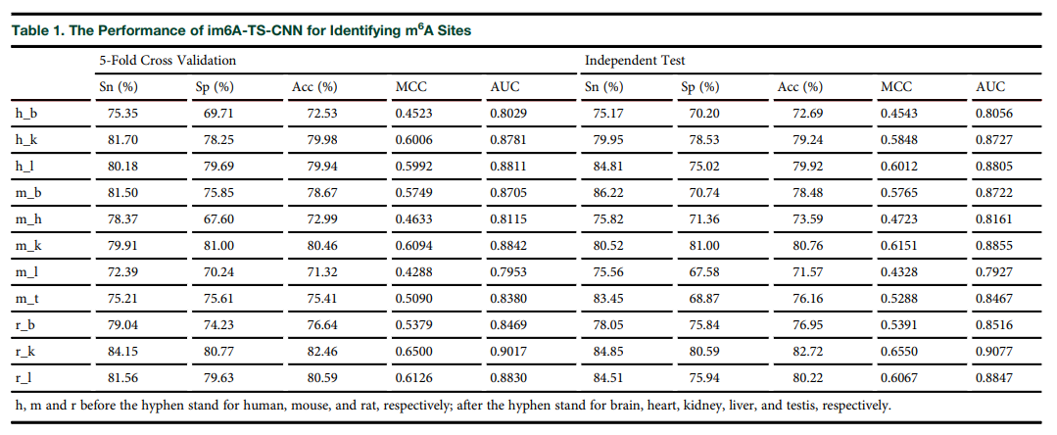
DL paper used this data | P5 | im6A-TS-CNN | 2020-09-04 | P5
 | P13 | TS-m6A-DL | 2021-08-10

 |  |  |  | P13

